Sheet1
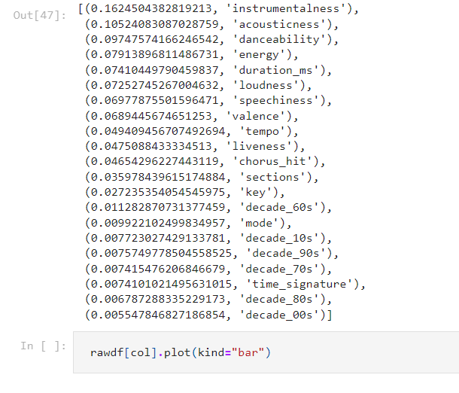
Instrumentalness | 0.16245043
acousticness | 0.10524
danceability | 0.097475
energy | 0.079138
duration | 0.074104
loudness | 0.0725274
speechiness | 0.069778
valence | 0.068944
tempo | 0.049409
liveness | 0.047508
chorus_hit | 0.046542
sections | 0.035978
key | 0.027235
decade_60 | 0.011282
mode | 0.009922
decade_10 | 0.007723
decade_90 | 0.007574
decade_70 | 0.007415
time_signature | 0.0074101
decade_80 | 0.006787
decade_00 | 0.005547

